Recommendation
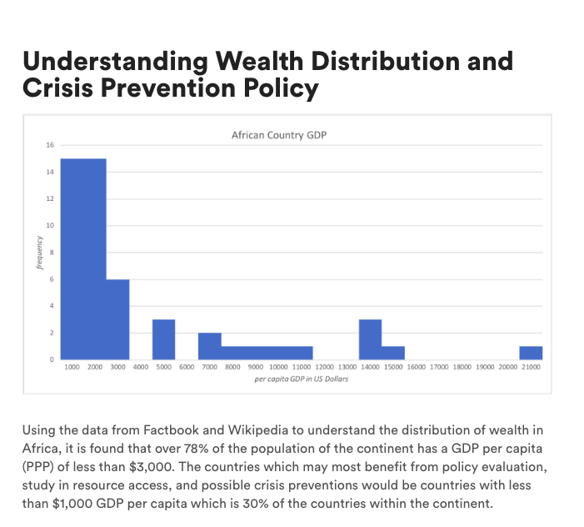
African Country GDP
1000 | 15
2000 | 15
3000 | 6
4000 | 0
5000 | 3
6000 | 0
7000 | 2
8000 | 1
9000 | 1
10000 | 1
11000 | 1
12000 | 0
13000 | 0
14000 | 3
15000 | 1
16000 | 0
17000 | 0
18000 | 0
19000 | 0
20000 | 0
21000 | 1
Using the data from Factbook and Wikipedia to understand the distribution of wealth in Africa, it is found that over 78% of the population of the continent has a GDP per capita (PPP) of less than $3,000. The countries which may most benefit from policy evaluation, study in resource access, and possible crisis preventions would be countries with less than $1,000 GDP per capita which is 30% of the countries within the continent.

results
region_name | gdp_per_capita | BINS | FREQ | Percentage
Burundi | 300 | 1000 | 15 | 30%
Congo, Democratic Republic of the | 300 | 2000 | 15 | 30%
Liberia | 500 | 3000 | 6 | 12%
Zimbabwe | 500 | 4000 | 0 | 0%
African Country GDP
Eritrea | 600 | 5000 | 3 | 6%
Central African Republic | 700 | 6000 | 0 | 0%
Niger | 700 | 7000 | 2 | 4%
Somalia | 780 | 8000 | 1 | 2%
Malawi | 800 | 9000 | 1 | 2%
Madagascar | 900 | 10000 | 1 | 2%
Togo | 900 | 11000 | 1 | 2%
Comoros | 1000 | 12000 | 0 | 0%
Ethiopia | 1000 | 13000 | 0 | 0%
Guinea | 1000 | 14000 | 3 | 6%
Mozambique | 1000 | 15000 | 1 | 2%
Rwanda | 1100 | 16000 | 0 | 0%
Burkina Faso | 1200 | 17000 | 0 | 0%
Mali | 1200 | 18000 | 0 | 0%
Uganda | 1300 | 19000 | 0 | 0%
Tanzania | 1400 | 20000 | 0 | 0%
Zambia | 1500 | 21000 | 1 | 2%
Chad | 1600 | Total Countries | 50
Kenya | 1600
Djibouti | 1690
Lesotho | 1700
Sierra Leone | 1791
Cote d'Ivoire | 1800
Guinea-Bissau | 1806
Gambia, The | 1900
Senegal | 1900
Mauritania | 2100
Benin | 2219
Cameroon | 2300
Sudan | 2300
Ghana | 2500
Nigeria | 2500
Congo, Republic of the | 4100
Swaziland | 4500
Morocco | 4800
Egypt | 6200
Namibia | 6900
Algeria | 7300
Angola | 8200
Tunisia | 9400
South Africa | 10700
Botswana | 14000
Libya | 14000
Mauritius | 14000
Gabon | 14500
Equatorial Guinea | 20581

